Intro
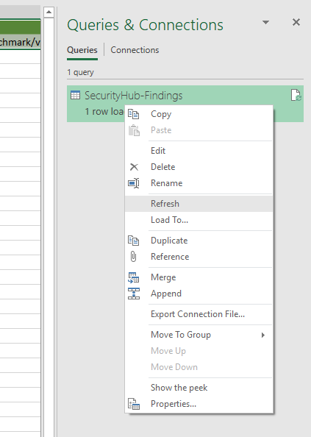
Dump Security Hub findings with AWS CLI
aws securityhub get-findings --profile [AWS_PROFILE] > SecurityHub-Findings.json

Save the SecurityHub-Findings.json file in c:\temp folder

Refresh Data - Goto Data tab & click Refresh All or follow below screenshot

